Picture
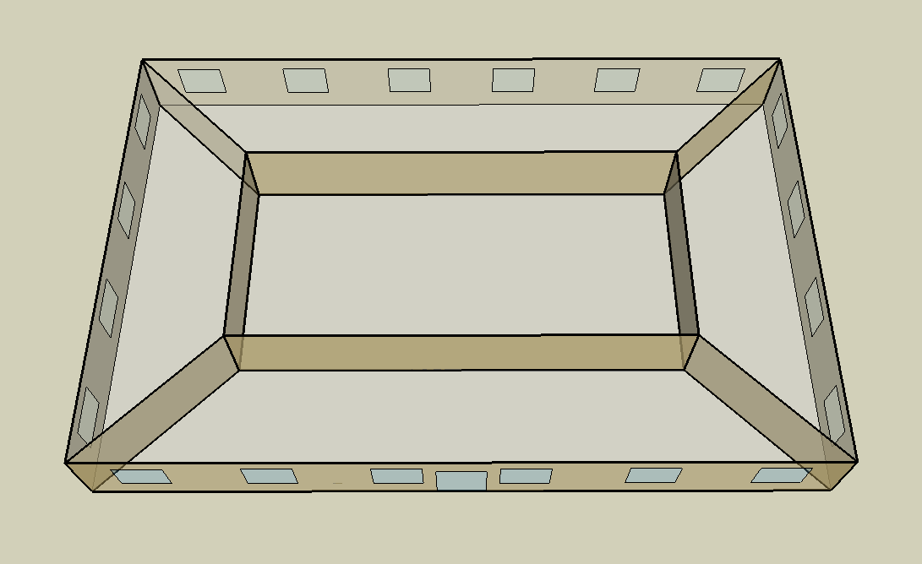
DOE Commercial Building Benchmark - Small Office

Electricity
 | Cooling | Interior Lighting | Exterior Lighting | Interior Equipment | Fans
Miami | 29,050.00 | 28,511.11 | 12,088.89 | 24,369.44 | 15,622.22
Houston | 19,688.89 | 28,511.11 | 12,086.11 | 24,369.44 | 14,497.22
Phoenix | 24,063.89 | 28,511.11 | 12,083.33 | 24,369.44 | 16,083.33
Atlanta | 11,577.78 | 28,511.11 | 12,080.56 | 24,369.44 | 14,233.33
Los Angeles | 8,830.56 | 28,511.11 | 12,072.22 | 24,369.44 | 13,658.33
Las Vegas | 16,677.78 | 28,511.11 | 12,069.44 | 24,369.44 | 14,363.89
San Francisco | 2,800.00 | 28,511.11 | 12,075.00 | 24,369.44 | 10,969.44
Baltimore | 8,219.44 | 28,511.11 | 12,069.44 | 24,369.44 | 13,205.56
Albuquerque | 8,447.22 | 28,511.11 | 12,072.22 | 24,369.44 | 13,822.22
Seattle | 2,588.89 | 28,511.11 | 12,050.00 | 24,369.44 | 12,288.89
Chicago | 6,444.44 | 28,511.11 | 12,069.44 | 24,369.44 | 14,761.11
Boulder | 5,191.67 | 28,511.11 | 12,063.89 | 24,369.44 | 14,844.44
Minneapolis | 5,513.89 | 28,511.11 | 12,063.89 | 24,369.44 | 15,461.11
Helena | 3,505.56 | 28,511.11 | 12,061.11 | 24,369.44 | 15,888.89
Duluth | 2,608.33 | 28,511.11 | 12,052.78 | 24,369.44 | 16,155.56
Fairbanks | 1,900.00 | 28,511.11 | 11,977.78 | 24,369.44 | 19,766.67

Gas
 | Heating | Water Systems
Miami | 330.00 | 10,430.00
Houston | 19,780.00 | 10,840.00
Phoenix | 10,070.00 | 10,600.00
Atlanta | 42,730.00 | 11,230.00
Los Angeles | 5,830.00 | 11,160.00
Las Vegas | 19,610.00 | 10,880.00
San Francisco | 27,060.00 | 11,490.00
Baltimore | 64,750.00 | 11,540.00
Albuquerque | 43,820.00 | 11,480.00
Seattle | 50,690.00 | 11,700.00
Chicago | 97,170.00 | 11,810.00
Boulder | 66,610.00 | 11,800.00
Minneapolis | 131,430.00 | 12,050.00
Helena | 102,110.00 | 12,090.00
Duluth | 161,660.00 | 12,430.00
Fairbanks | 307,150.00 | 12,900.00

EUI
 | Cooling (elec) | Interior Lighting (elec) | Exterior Lighting (elec) | Interior Equipment (elec) | Fans (elec) | Heating (gas) | Water Systems (gas)
Miami | 204.59 | 200.80 | 85.14 | 171.63 | 110.02 | 0.65 | 20.40
Houston | 138.66 | 200.80 | 85.12 | 171.63 | 102.10 | 38.70 | 21.21
Phoenix | 169.48 | 200.80 | 85.10 | 171.63 | 113.27 | 19.70 | 20.74
Atlanta | 81.54 | 200.80 | 85.08 | 171.63 | 100.24 | 83.59 | 21.97
Los Angeles | 62.19 | 200.80 | 85.02 | 171.63 | 96.19 | 11.41 | 21.83
Las Vegas | 117.46 | 200.80 | 85.00 | 171.63 | 101.16 | 38.36 | 21.28
San Francisco | 19.72 | 200.80 | 85.04 | 171.63 | 77.26 | 52.94 | 22.48
Baltimore | 57.89 | 200.80 | 85.00 | 171.63 | 93.00 | 126.67 | 22.58
Albuquerque | 59.49 | 200.80 | 85.02 | 171.63 | 97.35 | 85.73 | 22.46
Seattle | 18.23 | 200.80 | 84.87 | 171.63 | 86.55 | 99.17 | 22.89
Chicago | 45.39 | 200.80 | 85.00 | 171.63 | 103.96 | 190.10 | 23.10
Boulder | 36.56 | 200.80 | 84.96 | 171.63 | 104.55 | 130.31 | 23.08
Minneapolis | 38.83 | 200.80 | 84.96 | 171.63 | 108.89 | 257.12 | 23.57
Helena | 24.69 | 200.80 | 84.94 | 171.63 | 111.90 | 199.76 | 23.65
Duluth | 18.37 | 200.80 | 84.89 | 171.63 | 113.78 | 316.26 | 24.32
Fairbanks | 13.38 | 200.80 | 84.36 | 171.63 | 139.21 | 600.89 | 25.24

Water
 | Total Building | Water for Electricity (m3)
Miami | 17.63 | 58.08
Houston | 17.63 | 161.33
Phoenix | 17.63 | 3,122.14
Atlanta | 17.63 | 566.74
Los Angeles | 17.63 | 1,535.24
Las Vegas | 17.63 | 2,633.37
San Francisco | 17.63 | 1,382.21
Baltimore | 17.63 | 19.61
Albuquerque | 17.63 | 396.05
Seattle | 17.63 | 815.36
Chicago | 17.63 | 133.67
Boulder | 17.63 | 385.86
Minneapolis | 17.63 | 133.29
Helena | 17.63 | 5,341.92
Duluth | 17.63 | 129.85
Fairbanks | 17.63 | 88.40

Carbon
 | Carbon Equivalent (kg)
Miami | 30,262.88
Houston | 33,624.96
Phoenix | 32,102.09
Atlanta | 28,934.11
Los Angeles | 10,525.01
Las Vegas | 32,924.65
San Francisco | 9,895.35
Baltimore | 24,683.53
Albuquerque | 36,626.88
Seattle | 6,937.69
Chicago | 47,899.35
Boulder | 36,126.51
Minneapolis | 31,995.52
Helena | 32,877.28
Duluth | 31,787.55
Fairbanks | 30,117.82

LtgSch
Lighting Schedules
 | Weekday | Saturday | Other
 | 0.05 | 0.05 | 0.05
 | 0.05 | 0.05 | 0.05
 | 0.05 | 0.05 | 0.05
 | 0.05 | 0.05 | 0.05
 | 0.05 | 0.05 | 0.05
 | 0.1 | 0.05 | 0.05
 | 0.1 | 0.1 | 0.05
 | 0.3 | 0.1 | 0.05
 | 0.9 | 0.3 | 0.05
 | 0.9 | 0.3 | 0.05
 | 0.9 | 0.3 | 0.05
 | 0.9 | 0.3 | 0.05
 | 0.9 | 0.15 | 0.05
 | 0.9 | 0.15 | 0.05
 | 0.9 | 0.15 | 0.05
 | 0.9 | 0.15 | 0.05
 | 0.9 | 0.15 | 0.05
 | 0.5 | 0.05 | 0.05
 | 0.3 | 0.05 | 0.05
 | 0.3 | 0.05 | 0.05
 | 0.2 | 0.05 | 0.05
 | 0.2 | 0.05 | 0.05
 | 0.1 | 0.05 | 0.05
 | 0.05 | 0.05 | 0.05

OccSch
Occupancy Schedules
 | Weekday | Saturday | Other
 | 0 | 0 | 0
 | 0 | 0 | 0
 | 0 | 0 | 0
 | 0 | 0 | 0
 | 0 | 0 | 0
 | 0 | 0 | 0
 | 0.1 | 0.1 | 0
 | 0.2 | 0.1 | 0
 | 0.95 | 0.3 | 0
 | 0.95 | 0.3 | 0
 | 0.95 | 0.3 | 0
 | 0.95 | 0.3 | 0
 | 0.5 | 0.1 | 0
 | 0.95 | 0.1 | 0
 | 0.95 | 0.1 | 0
 | 0.95 | 0.1 | 0
 | 0.95 | 0.1 | 0
 | 0.3 | 0 | 0
 | 0.1 | 0 | 0
 | 0.1 | 0 | 0
 | 0.05 | 0 | 0
 | 0.05 | 0 | 0
 | 0.05 | 0 | 0
 | 0.05 | 0 | 0

EqpSch
Equipment Schedules
 | Weekday | Saturday | Other
 | 0.4 | 0.3 | 0.3
 | 0.4 | 0.3 | 0.3
 | 0.4 | 0.3 | 0.3
 | 0.4 | 0.3 | 0.3
 | 0.4 | 0.3 | 0.3
 | 0.4 | 0.3 | 0.3
 | 0.4 | 0.4 | 0.3
 | 0.4 | 0.4 | 0.3
 | 0.9 | 0.5 | 0.3
 | 0.9 | 0.5 | 0.3
 | 0.9 | 0.5 | 0.3
 | 0.9 | 0.5 | 0.3
 | 0.8 | 0.35 | 0.3
 | 0.9 | 0.35 | 0.3
 | 0.9 | 0.35 | 0.3
 | 0.9 | 0.35 | 0.3
 | 0.9 | 0.35 | 0.3
 | 0.5 | 0.3 | 0.3
 | 0.4 | 0.3 | 0.3
 | 0.4 | 0.3 | 0.3
 | 0.4 | 0.3 | 0.3
 | 0.4 | 0.3 | 0.3
 | 0.4 | 0.3 | 0.3
 | 0.4 | 0.3 | 0.3

HeatSch
Heating Set Point Schedules
 | Weekday | Saturday | Other
 | 15.6 | 15.6 | 15.6
 | 15.6 | 15.6 | 15.6
 | 15.6 | 15.6 | 15.6
 | 15.6 | 15.6 | 15.6
 | 15.6 | 15.6 | 15.6
 | 15.6 | 15.6 | 15.6
 | 21 | 21 | 15.6
 | 21 | 21 | 15.6
 | 21 | 21 | 15.6
 | 21 | 21 | 15.6
 | 21 | 21 | 15.6
 | 21 | 21 | 15.6
 | 21 | 21 | 15.6
 | 21 | 21 | 15.6
 | 21 | 21 | 15.6
 | 21 | 21 | 15.6
 | 21 | 21 | 15.6
 | 21 | 21 | 15.6
 | 21 | 15.6 | 15.6
 | 21 | 15.6 | 15.6
 | 21 | 15.6 | 15.6
 | 21 | 15.6 | 15.6
 | 15.6 | 15.6 | 15.6
 | 15.6 | 15.6 | 15.6

CoolSch
Cooling Set Point Schedules
 | Weekday | Saturday | Other
 | 26.7 | 26.7 | 26.7
 | 26.7 | 26.7 | 26.7
 | 26.7 | 26.7 | 26.7
 | 26.7 | 26.7 | 26.7
 | 26.7 | 26.7 | 26.7
 | 26.7 | 26.7 | 26.7
 | 24 | 24 | 26.7
 | 24 | 24 | 26.7
 | 24 | 24 | 26.7
 | 24 | 24 | 26.7
 | 24 | 24 | 26.7
 | 24 | 24 | 26.7
 | 24 | 24 | 26.7
 | 24 | 24 | 26.7
 | 24 | 24 | 26.7
 | 24 | 24 | 26.7
 | 24 | 24 | 26.7
 | 24 | 24 | 26.7
 | 24 | 26.7 | 26.7
 | 24 | 26.7 | 26.7
 | 24 | 26.7 | 26.7
 | 24 | 26.7 | 26.7
 | 26.7 | 26.7 | 26.7
 | 26.7 | 26.7 | 26.7

